StatePolicies
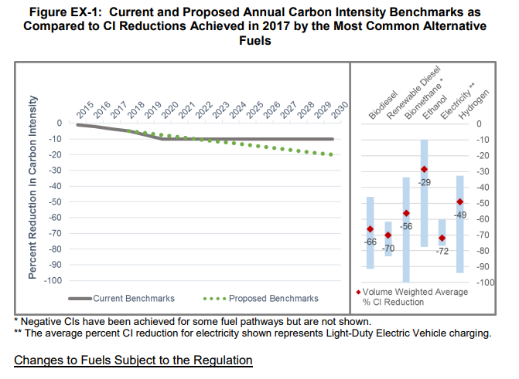
California Calcs
2030 is the current limit of the regulatory schedule. Later values are held constant at the 2030 level. |  | State | State | LCFS | 2016 | 2017 | 2018 | 2019 | 2020 | 2021 | 2022 | 2023 | 2024 | 2025 | 2026 | 2027 | 2028 | 2029 | 2030 | 2031 | 2032 | 2033 | 2034 | 2035 | 2036 | 2037 | 2038 | 2039 | 2040 | 2041 | 2042 | 2043 | 2044 | 2045 | 2046 | 2047 | 2048 | 2049 | 2050
 |  | Alabama | AL | No | 0 | 0 | 0 | 0 | 0 | 0 | 0 | 0 | 0 | 0 | 0 | 0 | 0 | 0 | 0 | 0 | 0 | 0 | 0 | 0 | 0 | 0 | 0 | 0 | 0 | 0 | 0 | 0 | 0 | 0 | 0 | 0 | 0 | 0 | 0
Annual increment on path to 2030 | 0.0125 | Alaska | AK | No | 0 | 0 | 0 | 0 | 0 | 0 | 0 | 0 | 0 | 0 | 0 | 0 | 0 | 0 | 0 | 0 | 0 | 0 | 0 | 0 | 0 | 0 | 0 | 0 | 0 | 0 | 0 | 0 | 0 | 0 | 0 | 0 | 0 | 0 | 0
2018 historical level | 0.035 | Arizona | AZ | No | 0 | 0 | 0 | 0 | 0 | 0 | 0 | 0 | 0 | 0 | 0 | 0 | 0 | 0 | 0 | 0 | 0 | 0 | 0 | 0 | 0 | 0 | 0 | 0 | 0 | 0 | 0 | 0 | 0 | 0 | 0 | 0 | 0 | 0 | 0
 |  | Arkansas | AR | No | 0 | 0 | 0 | 0 | 0 | 0 | 0 | 0 | 0 | 0 | 0 | 0 | 0 | 0 | 0 | 0 | 0 | 0 | 0 | 0 | 0 | 0 | 0 | 0 | 0 | 0 | 0 | 0 | 0 | 0 | 0 | 0 | 0 | 0 | 0
 |  | California | CA | Yes | 0 | 0 | 0.05 | 0.0625 | 0.0750 | 0.0875 | 0.1000 | 0.1125 | 0.1250 | 0.1375 | 0.1500 | 0.1625 | 0.1750 | 0.1875 | 0.2 | 0.2 | 0.2 | 0.2 | 0.2 | 0.2 | 0.2 | 0.2 | 0.2 | 0.2 | 0.2 | 0.2 | 0.2 | 0.2 | 0.2 | 0.2 | 0.2 | 0.2 | 0.2 | 0.2 | 0.2
 |  | Colorado | CO | No | 0 | 0 | 0 | 0 | 0 | 0 | 0 | 0 | 0 | 0 | 0 | 0 | 0 | 0 | 0 | 0 | 0 | 0 | 0 | 0 | 0 | 0 | 0 | 0 | 0 | 0 | 0 | 0 | 0 | 0 | 0 | 0 | 0 | 0 | 0
 |  | Connecticut | CT | No | 0 | 0 | 0 | 0 | 0 | 0 | 0 | 0 | 0 | 0 | 0 | 0 | 0 | 0 | 0 | 0 | 0 | 0 | 0 | 0 | 0 | 0 | 0 | 0 | 0 | 0 | 0 | 0 | 0 | 0 | 0 | 0 | 0 | 0 | 0
 |  | Delaware | DE | No | 0 | 0 | 0 | 0 | 0 | 0 | 0 | 0 | 0 | 0 | 0 | 0 | 0 | 0 | 0 | 0 | 0 | 0 | 0 | 0 | 0 | 0 | 0 | 0 | 0 | 0 | 0 | 0 | 0 | 0 | 0 | 0 | 0 | 0 | 0
 |  | Florida | FL | No | 0 | 0 | 0 | 0 | 0 | 0 | 0 | 0 | 0 | 0 | 0 | 0 | 0 | 0 | 0 | 0 | 0 | 0 | 0 | 0 | 0 | 0 | 0 | 0 | 0 | 0 | 0 | 0 | 0 | 0 | 0 | 0 | 0 | 0 | 0
 |  | Georgia | GA | No | 0 | 0 | 0 | 0 | 0 | 0 | 0 | 0 | 0 | 0 | 0 | 0 | 0 | 0 | 0 | 0 | 0 | 0 | 0 | 0 | 0 | 0 | 0 | 0 | 0 | 0 | 0 | 0 | 0 | 0 | 0 | 0 | 0 | 0 | 0
 |  | Hawaii | HI | No | 0 | 0 | 0 | 0 | 0 | 0 | 0 | 0 | 0 | 0 | 0 | 0 | 0 | 0 | 0 | 0 | 0 | 0 | 0 | 0 | 0 | 0 | 0 | 0 | 0 | 0 | 0 | 0 | 0 | 0 | 0 | 0 | 0 | 0 | 0
 |  | Idaho | ID | No | 0 | 0 | 0 | 0 | 0 | 0 | 0 | 0 | 0 | 0 | 0 | 0 | 0 | 0 | 0 | 0 | 0 | 0 | 0 | 0 | 0 | 0 | 0 | 0 | 0 | 0 | 0 | 0 | 0 | 0 | 0 | 0 | 0 | 0 | 0
 |  | Illinois | IL | No | 0 | 0 | 0 | 0 | 0 | 0 | 0 | 0 | 0 | 0 | 0 | 0 | 0 | 0 | 0 | 0 | 0 | 0 | 0 | 0 | 0 | 0 | 0 | 0 | 0 | 0 | 0 | 0 | 0 | 0 | 0 | 0 | 0 | 0 | 0
 |  | Indiana | IN | No | 0 | 0 | 0 | 0 | 0 | 0 | 0 | 0 | 0 | 0 | 0 | 0 | 0 | 0 | 0 | 0 | 0 | 0 | 0 | 0 | 0 | 0 | 0 | 0 | 0 | 0 | 0 | 0 | 0 | 0 | 0 | 0 | 0 | 0 | 0
 |  | Iowa | IA | No | 0 | 0 | 0 | 0 | 0 | 0 | 0 | 0 | 0 | 0 | 0 | 0 | 0 | 0 | 0 | 0 | 0 | 0 | 0 | 0 | 0 | 0 | 0 | 0 | 0 | 0 | 0 | 0 | 0 | 0 | 0 | 0 | 0 | 0 | 0
 |  | Kansas | KS | No | 0 | 0 | 0 | 0 | 0 | 0 | 0 | 0 | 0 | 0 | 0 | 0 | 0 | 0 | 0 | 0 | 0 | 0 | 0 | 0 | 0 | 0 | 0 | 0 | 0 | 0 | 0 | 0 | 0 | 0 | 0 | 0 | 0 | 0 | 0
 |  | Kentucky | KY | No | 0 | 0 | 0 | 0 | 0 | 0 | 0 | 0 | 0 | 0 | 0 | 0 | 0 | 0 | 0 | 0 | 0 | 0 | 0 | 0 | 0 | 0 | 0 | 0 | 0 | 0 | 0 | 0 | 0 | 0 | 0 | 0 | 0 | 0 | 0
 |  | Louisiana | LA | No | 0 | 0 | 0 | 0 | 0 | 0 | 0 | 0 | 0 | 0 | 0 | 0 | 0 | 0 | 0 | 0 | 0 | 0 | 0 | 0 | 0 | 0 | 0 | 0 | 0 | 0 | 0 | 0 | 0 | 0 | 0 | 0 | 0 | 0 | 0
 |  | Maine | ME | No | 0 | 0 | 0 | 0 | 0 | 0 | 0 | 0 | 0 | 0 | 0 | 0 | 0 | 0 | 0 | 0 | 0 | 0 | 0 | 0 | 0 | 0 | 0 | 0 | 0 | 0 | 0 | 0 | 0 | 0 | 0 | 0 | 0 | 0 | 0
 |  | Maryland | MD | No | 0 | 0 | 0 | 0 | 0 | 0 | 0 | 0 | 0 | 0 | 0 | 0 | 0 | 0 | 0 | 0 | 0 | 0 | 0 | 0 | 0 | 0 | 0 | 0 | 0 | 0 | 0 | 0 | 0 | 0 | 0 | 0 | 0 | 0 | 0
 |  | Massachusetts | MA | No | 0 | 0 | 0 | 0 | 0 | 0 | 0 | 0 | 0 | 0 | 0 | 0 | 0 | 0 | 0 | 0 | 0 | 0 | 0 | 0 | 0 | 0 | 0 | 0 | 0 | 0 | 0 | 0 | 0 | 0 | 0 | 0 | 0 | 0 | 0
 |  | Michigan | MI | No | 0 | 0 | 0 | 0 | 0 | 0 | 0 | 0 | 0 | 0 | 0 | 0 | 0 | 0 | 0 | 0 | 0 | 0 | 0 | 0 | 0 | 0 | 0 | 0 | 0 | 0 | 0 | 0 | 0 | 0 | 0 | 0 | 0 | 0 | 0
 |  | Minnesota | MN | No | 0 | 0 | 0 | 0 | 0 | 0 | 0 | 0 | 0 | 0 | 0 | 0 | 0 | 0 | 0 | 0 | 0 | 0 | 0 | 0 | 0 | 0 | 0 | 0 | 0 | 0 | 0 | 0 | 0 | 0 | 0 | 0 | 0 | 0 | 0
 |  | Mississippi | MS | No | 0 | 0 | 0 | 0 | 0 | 0 | 0 | 0 | 0 | 0 | 0 | 0 | 0 | 0 | 0 | 0 | 0 | 0 | 0 | 0 | 0 | 0 | 0 | 0 | 0 | 0 | 0 | 0 | 0 | 0 | 0 | 0 | 0 | 0 | 0
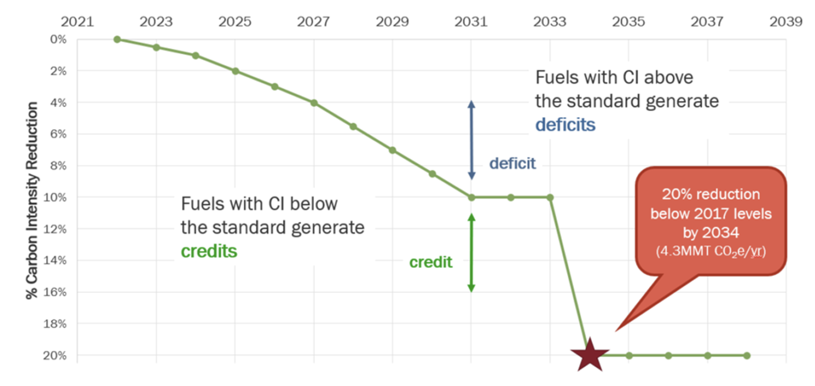
Washington Calcs |  | Missouri | MO | No | 0 | 0 | 0 | 0 | 0 | 0 | 0 | 0 | 0 | 0 | 0 | 0 | 0 | 0 | 0 | 0 | 0 | 0 | 0 | 0 | 0 | 0 | 0 | 0 | 0 | 0 | 0 | 0 | 0 | 0 | 0 | 0 | 0 | 0 | 0
 |  | Montana | MT | No | 0 | 0 | 0 | 0 | 0 | 0 | 0 | 0 | 0 | 0 | 0 | 0 | 0 | 0 | 0 | 0 | 0 | 0 | 0 | 0 | 0 | 0 | 0 | 0 | 0 | 0 | 0 | 0 | 0 | 0 | 0 | 0 | 0 | 0 | 0
2034 target | 0.2 | Nebraska | NE | No | 0 | 0 | 0 | 0 | 0 | 0 | 0 | 0 | 0 | 0 | 0 | 0 | 0 | 0 | 0 | 0 | 0 | 0 | 0 | 0 | 0 | 0 | 0 | 0 | 0 | 0 | 0 | 0 | 0 | 0 | 0 | 0 | 0 | 0 | 0
start year 2022 | 0 | Nevada | NV | No | 0 | 0 | 0 | 0 | 0 | 0 | 0 | 0 | 0 | 0 | 0 | 0 | 0 | 0 | 0 | 0 | 0 | 0 | 0 | 0 | 0 | 0 | 0 | 0 | 0 | 0 | 0 | 0 | 0 | 0 | 0 | 0 | 0 | 0 | 0
Annual increase | 0.016666666667 | New Hampshire | NH | No | 0 | 0 | 0 | 0 | 0 | 0 | 0 | 0 | 0 | 0 | 0 | 0 | 0 | 0 | 0 | 0 | 0 | 0 | 0 | 0 | 0 | 0 | 0 | 0 | 0 | 0 | 0 | 0 | 0 | 0 | 0 | 0 | 0 | 0 | 0
 |  | New Jersey | NJ | No | 0 | 0 | 0 | 0 | 0 | 0 | 0 | 0 | 0 | 0 | 0 | 0 | 0 | 0 | 0 | 0 | 0 | 0 | 0 | 0 | 0 | 0 | 0 | 0 | 0 | 0 | 0 | 0 | 0 | 0 | 0 | 0 | 0 | 0 | 0
 |  | New Mexico | NM | No | 0 | 0 | 0 | 0 | 0 | 0 | 0 | 0 | 0 | 0 | 0 | 0 | 0 | 0 | 0 | 0 | 0 | 0 | 0 | 0 | 0 | 0 | 0 | 0 | 0 | 0 | 0 | 0 | 0 | 0 | 0 | 0 | 0 | 0 | 0
 |  | New York | NY | No | 0 | 0 | 0 | 0 | 0 | 0 | 0 | 0 | 0 | 0 | 0 | 0 | 0 | 0 | 0 | 0 | 0 | 0 | 0 | 0 | 0 | 0 | 0 | 0 | 0 | 0 | 0 | 0 | 0 | 0 | 0 | 0 | 0 | 0 | 0
 |  | North Carolina | NC | No | 0 | 0 | 0 | 0 | 0 | 0 | 0 | 0 | 0 | 0 | 0 | 0 | 0 | 0 | 0 | 0 | 0 | 0 | 0 | 0 | 0 | 0 | 0 | 0 | 0 | 0 | 0 | 0 | 0 | 0 | 0 | 0 | 0 | 0 | 0
 |  | North Dakota | ND | No | 0 | 0 | 0 | 0 | 0 | 0 | 0 | 0 | 0 | 0 | 0 | 0 | 0 | 0 | 0 | 0 | 0 | 0 | 0 | 0 | 0 | 0 | 0 | 0 | 0 | 0 | 0 | 0 | 0 | 0 | 0 | 0 | 0 | 0 | 0
 |  | Ohio | OH | No | 0 | 0 | 0 | 0 | 0 | 0 | 0 | 0 | 0 | 0 | 0 | 0 | 0 | 0 | 0 | 0 | 0 | 0 | 0 | 0 | 0 | 0 | 0 | 0 | 0 | 0 | 0 | 0 | 0 | 0 | 0 | 0 | 0 | 0 | 0
 |  | Oklahoma | OK | No | 0 | 0 | 0 | 0 | 0 | 0 | 0 | 0 | 0 | 0 | 0 | 0 | 0 | 0 | 0 | 0 | 0 | 0 | 0 | 0 | 0 | 0 | 0 | 0 | 0 | 0 | 0 | 0 | 0 | 0 | 0 | 0 | 0 | 0 | 0
 |  | Oregon | OR | Yes | 0 | 0.01 | 0.02 | 0.03 | 0.04 | 0.05 | 0.06 | 0.07 | 0.08 | 0.09 | 0.1 | 0.1 | 0.1 | 0.1 | 0.1 | 0.1 | 0.1 | 0.1 | 0.1 | 0.1 | 0.1 | 0.1 | 0.1 | 0.1 | 0.1 | 0.1 | 0.1 | 0.1 | 0.1 | 0.1 | 0.1 | 0.1 | 0.1 | 0.1 | 0.1
 |  | Pennsylvania | PA | No | 0 | 0 | 0 | 0 | 0 | 0 | 0 | 0 | 0 | 0 | 0 | 0 | 0 | 0 | 0 | 0 | 0 | 0 | 0 | 0 | 0 | 0 | 0 | 0 | 0 | 0 | 0 | 0 | 0 | 0 | 0 | 0 | 0 | 0 | 0
 |  | Rhode Island | RI | No | 0 | 0 | 0 | 0 | 0 | 0 | 0 | 0 | 0 | 0 | 0 | 0 | 0 | 0 | 0 | 0 | 0 | 0 | 0 | 0 | 0 | 0 | 0 | 0 | 0 | 0 | 0 | 0 | 0 | 0 | 0 | 0 | 0 | 0 | 0
 |  | South Carolina | SC | No | 0 | 0 | 0 | 0 | 0 | 0 | 0 | 0 | 0 | 0 | 0 | 0 | 0 | 0 | 0 | 0 | 0 | 0 | 0 | 0 | 0 | 0 | 0 | 0 | 0 | 0 | 0 | 0 | 0 | 0 | 0 | 0 | 0 | 0 | 0
 |  | South Dakota | SD | No | 0 | 0 | 0 | 0 | 0 | 0 | 0 | 0 | 0 | 0 | 0 | 0 | 0 | 0 | 0 | 0 | 0 | 0 | 0 | 0 | 0 | 0 | 0 | 0 | 0 | 0 | 0 | 0 | 0 | 0 | 0 | 0 | 0 | 0 | 0
 |  | Tennessee | TN | No | 0 | 0 | 0 | 0 | 0 | 0 | 0 | 0 | 0 | 0 | 0 | 0 | 0 | 0 | 0 | 0 | 0 | 0 | 0 | 0 | 0 | 0 | 0 | 0 | 0 | 0 | 0 | 0 | 0 | 0 | 0 | 0 | 0 | 0 | 0
 |  | Texas | TX | No | 0 | 0 | 0 | 0 | 0 | 0 | 0 | 0 | 0 | 0 | 0 | 0 | 0 | 0 | 0 | 0 | 0 | 0 | 0 | 0 | 0 | 0 | 0 | 0 | 0 | 0 | 0 | 0 | 0 | 0 | 0 | 0 | 0 | 0 | 0
Oregon Calcs |  | Utah | UT | No | 0 | 0 | 0 | 0 | 0 | 0 | 0 | 0 | 0 | 0 | 0 | 0 | 0 | 0 | 0 | 0 | 0 | 0 | 0 | 0 | 0 | 0 | 0 | 0 | 0 | 0 | 0 | 0 | 0 | 0 | 0 | 0 | 0 | 0 | 0
 |  | Vermont | VT | No | 0 | 0 | 0 | 0 | 0 | 0 | 0 | 0 | 0 | 0 | 0 | 0 | 0 | 0 | 0 | 0 | 0 | 0 | 0 | 0 | 0 | 0 | 0 | 0 | 0 | 0 | 0 | 0 | 0 | 0 | 0 | 0 | 0 | 0 | 0
2026 target | 0.1 | Virginia | VA | No | 0 | 0 | 0 | 0 | 0 | 0 | 0 | 0 | 0 | 0 | 0 | 0 | 0 | 0 | 0 | 0 | 0 | 0 | 0 | 0 | 0 | 0 | 0 | 0 | 0 | 0 | 0 | 0 | 0 | 0 | 0 | 0 | 0 | 0 | 0
start year 2016 | 0 | Washington | WA | Yes | 0 | 0 | 0 | 0 | 0 | 0 | 0 | 0.017 | 0.033 | 0.050 | 0.067 | 0.083 | 0.100 | 0.117 | 0.133 | 0.150 | 0.167 | 0.183 | 0.2 | 0.2 | 0.2 | 0.2 | 0.2 | 0.2 | 0.2 | 0.2 | 0.2 | 0.2 | 0.2 | 0.2 | 0.2 | 0.2 | 0.2 | 0.2 | 0.2
Annual increase | 0.01 | West Virginia | WV | No | 0 | 0 | 0 | 0 | 0 | 0 | 0 | 0 | 0 | 0 | 0 | 0 | 0 | 0 | 0 | 0 | 0 | 0 | 0 | 0 | 0 | 0 | 0 | 0 | 0 | 0 | 0 | 0 | 0 | 0 | 0 | 0 | 0 | 0 | 0
 |  | Wisconsin | WI | No | 0 | 0 | 0 | 0 | 0 | 0 | 0 | 0 | 0 | 0 | 0 | 0 | 0 | 0 | 0 | 0 | 0 | 0 | 0 | 0 | 0 | 0 | 0 | 0 | 0 | 0 | 0 | 0 | 0 | 0 | 0 | 0 | 0 | 0 | 0
 |  | Wyoming | WY | No | 0 | 0 | 0 | 0 | 0 | 0 | 0 | 0 | 0 | 0 | 0 | 0 | 0 | 0 | 0 | 0 | 0 | 0 | 0 | 0 | 0 | 0 | 0 | 0 | 0 | 0 | 0 | 0 | 0 | 0 | 0 | 0 | 0 | 0 | 0

